Pivot Table 1
AVERAGE of pop_n vs. Region
Region | COUNTUNIQUE of name | AVERAGE of ARC_N | AVERAGE of ARC_U | AVERAGE of ARC_R
 | 0 | #DIV/0! | #DIV/0! | #DIV/0!
East Asia & Pacific | 40 | 0.27843490219 | 0.23295792119 | 0.50779480175
Europe & Central Asia | 64 | 0.1116857807 | 0.046995216415 | 0.22440970833
Latin America & Caribbean | 48 | 0.14442485349 | 0.071521594483 | 0.68031449696
Middle East & North Africa | 10 | 0.3455630234 | 0.123978045 | 0.736987229
North America | 5 | 0.0171583956 | 0.0020331735 | 0.14233131
South Asia | 11 | 0.48023040018 | 0.26548867309 | 0.55914462673
Sub-Saharan Africa | 53 | 0.55828082075 | 0.2703666709 | 0.6042159222
Grand Total | 231 | 0.27674414192 | 0.15482340284 | 0.48449369595

Region | COUNTUNIQUE of name | AVERAGE of ARC_N | AVERAGE of ARC_U | AVERAGE of ARC_R
East Asia & Pacific | 40 | 0.27843490219 | 0.23295792119
Europe & Central Asia | 64 | 0.1116857807 | 0.046995216415 | 0.22440970833
Latin America & Caribbean | 48 | 0.14442485349 | 0.071521594483 | 0.68031449696
Middle East & North Africa | 10 | 0.3455630234 | 0.123978045 | 0.736987229
North America | 5 | 0.0171583956 | 0.0020331735 | 0.14233131
South Asia | 11 | 0.48023040018 | 0.26548867309 | 0.55914462673
Sub-Saharan Africa | 53 | 0.55828082075 | 0.2703666709 | 0.6042159222
Grand Total | 231 | 0.27674414192 | 0.15482340284 | 0.48449369595

SUmmary
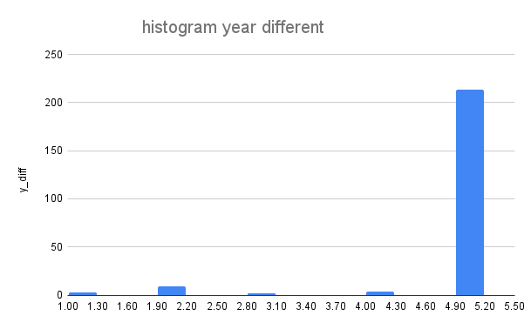
average for diff year | max | min
4.796536797 | 5 | 1

 | ARC_N | ARC_R | ARC_U
NUMBER OF COUNTRIES(NULL) | 2 | 64 | 50
100% countries | 42 | 51 | 71
Full access | 62 | 29 | 55
ARC=0 | 16 | 5 | 7
ARC<0 | 16 | 17 | 26
ARC>0 | 135 | 116 | 93

TOTAL | 231 | 231 | 231

AVERAGE of ARC_N and AVERAGE of ARC_R
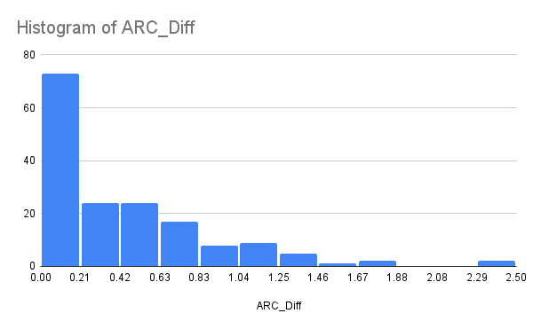

AVERAGE of pop_n vs. Region

